1. Title Page
[Instacart
Grocery Basket
Analysis]

Project Name:
Date:
Analyst Name:
Project Name: Instacart Grocery Basket Analysis
Date: 30 September 2025
Analyst Name: Yan Zhang

Contents:
Population Flow
Consistency checks
Wrangling steps
Column derivations
Visualizations
Recommendations

Data Citation:
"The Instacart Online Grocery Shopping Dataset 2017”, Accessed from www.instacart.com/datasets/grocery-shopping-2017 via Kaggle in September 2025.
The customer data and the “prices” column in the products data set were fabricated for the purpose of this course.

2. Population Flow
Title page

Population flow

Exclusion flag (* Low -activity customers were omitted in Task 4.10)
Condition: max_order < 5
Obervations to be removed: 7,989,982
Final total count of order_products_all: 24,414,877

Orders_products_combined
Orders_products_merged
merge

Total: 32,404,859
Total: 32,434,489
Total: 32,404,859

1.) The grey boxes in the first row of the population flow represent the original data sets as they were when you downloaded them. In the Total fields you need to add the count of the rows when you imported the data set into Jupyter.
2.) The second row of boxes (coloured) represents the data sets after you manipulated them, e.g., removed missing values and duplicates. In the Total fields you need to add the count of the rows after conducting these operations. This offers a visual oveview of how the data flows throughout the data consistency checks.
3.) The third row, where also the arrows are coloured, represents the merges you performed between the datasets. In the Total fields you need to add the count of the rows in the merged datasets, so that you end up with the final dataset (in the red box). Keep in mind the final dataset should be without exclusions (based on the exclusion flag).

3. Consistency checks
 |  |  |  | Title page
Consistency checks

Dataset | Missing values | Missing values treatment | Duplicates
orders | 206,209 missing values in "days_since_prior_order" column | kept in the dataset | no duplicates
products | 16 missing values in "prduct_name" column | deleted from the dataset | 5 duplicates were deleted
orders_products_prior | no missing values | N/A | no duplicates
customers | no missing values | N/A | no duplicates

4. Wrangling steps
 |  |  |  | Title page
Wrangling steps

Columns dropped | Columns renamed | Columns' type changed | Comment/Reason
"eval_set" |  |  | It provides little helpful info for the analysis.
 | "order_dow" renamed to "orders_days_of_week"
 |  | "first_name" contained mixed datatypes and were changed to "string". However, this need to be removed for protecing customers' privacy
 | "First name" renamed to "first_name" |  | For consistent formatting
 | "surnam" renamed to "surname" |  | For consistent formatting
 | "Gender" renamed to "gender" |  | For consistent formatting
 | "STATE" renamed to "state" |  | For consistent formatting
 | "Age" renamed to "age" |  | For consistent formatting
 | "n_dependants" renamed to "number_of_dependents" |  | For consistent formatting
 | "fam_status" renamed to "family_status"
"_merge" |  |  | It provides little helpful info for the analysis.
Unnamed:0 |  |  | It provides little helpful info for the analysis.

5. Column derivations
 |  |  |  | Title page

Column derivations and aggregations

In this tab you should add tables below that the frequences of flags/label variables that you produced after deriving them. NB: don't do this for continuous variables, only for flags.
Dataset | New column | Column/s it was derived from | Conditions
ords_prods_merge | price_range_loc | prices | if "prices" > 15, "High-range product"
 |  |  | if "prices" > 5 and "prices" <= 15, "Mid-range product"
 |  |  | if "prices" <= 5, "Low-range product"
ords_prods_merge | busiest day | orders_day_of_week | if "orders_day_of_week" =0, "Busiest day"
 |  |  | if "orders_day_of_week" =4, "Least busy"
 |  |  | else "Regularly busy"
ords_prods_merge | busiest days | orders_day_of_week | if "orders_day_of_week" =0/1, "Busiest day"
 |  |  | if "orders_day_of_week" =3/4, "Least busy"
 |  |  | else "Regularly busy"
ords_prods_merge | busiest_period_of_day | busiest_period_of_day | if "busiest_period_of_day" in [10, 11, 14, 15, 13, 12, 16, 9], "Most orders"
 |  |  | if "busiest_period_of_day" in [3, 4, 2, 5, 1, 0, 6, 23], "Fewest orders"
 |  |  | else "Average orders"
ords_prods_merge | avg_order | user_id, order_number
ords_prods_merge | loyalty_flag | avg_order | if "avg_order" > 40, "Loyal customer"
 |  |  | if "avg_order" >10 and "avg_order" <=40, "Regular customer"
 |  |  | if "avg_order" <=10,, "New customer"
ords_prods_merge | avg_prices | user_id, prices
ords_prods_merge | spending_flag | avg_prices | if "avg_prices" >=10, "High spender"
 |  |  | if "avg_prices" <10, "Low spender"
ords_prods_merge | median_days_prior | user_id, days_since_prior_order
ords_prods_merge | frequency_flag |  | if "median_days_prior" > 20, "Non-frequent customer"
 |  |  | if "median_days_prior" > 10 and "median_days_prior" <=20, "Regular customer"
 |  |  | if "median_days_prior" <= 10 , "Frequent customer"

Loyalty_flag | Count
Regular customer | 17870801
New customer | 12079192
Loyal customer | 2454866

Spending_flag | Count
Low spender | 31770614
High spender | 634245

Frequency_flag | Count
Frequent customer | 21559853
Regular customer | 7208564
Non-frequent customer | 3636437

6. Visualizations
 | Title page

Visualisations

In this tab you should include all the visualtions from Exercises 4.9 and 4.10, alongside the questions from the project brief that they answer. Include any commentary on the relationship between different variables.

Question
When are the busines hours of the day?

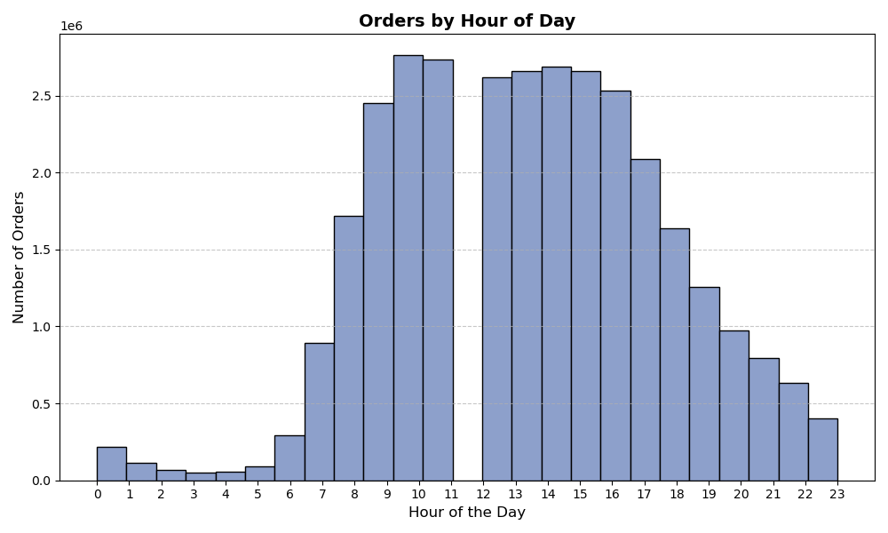

Explanation:
The majority of orders were placed between 9:00 a.m. and 5:00 p.m., whereas order activity was minimal between midnight and 6:00 a.m.

Question
When are the busines days of the week?

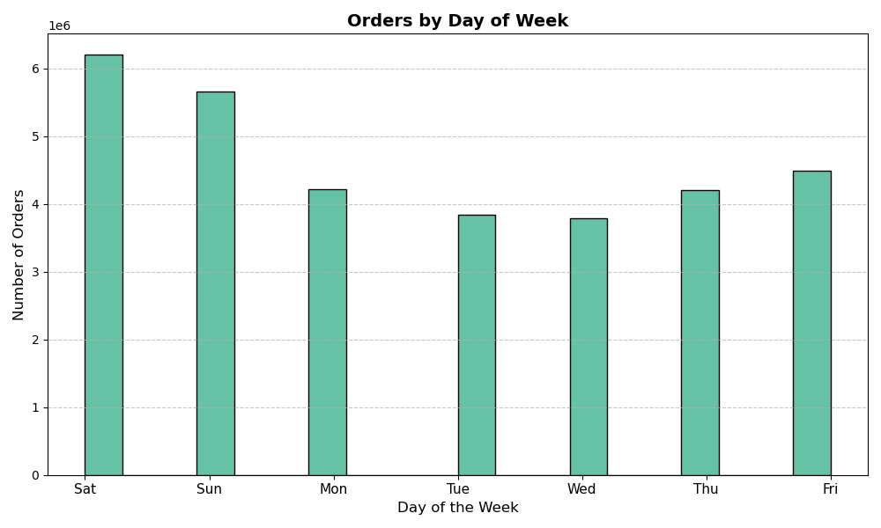

Explanation:
Orders peaked on Saturday and Sunday, while Tuesday and Wednesday were the quietest days.

Question
What particular time do people spend the most money?

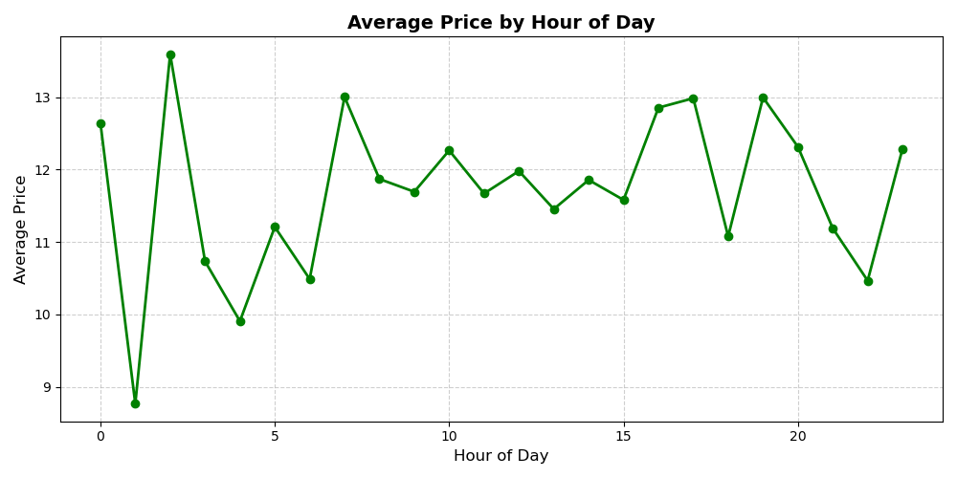

Explanation:
Average spending reached their lowest point around 1:00 a.m. and peaked at approximately 3:00 a.m. Between 8:00 a.m. and 3:00 p.m., Average spending remained relatively stable.

Question
What particular days do people spend the most money?

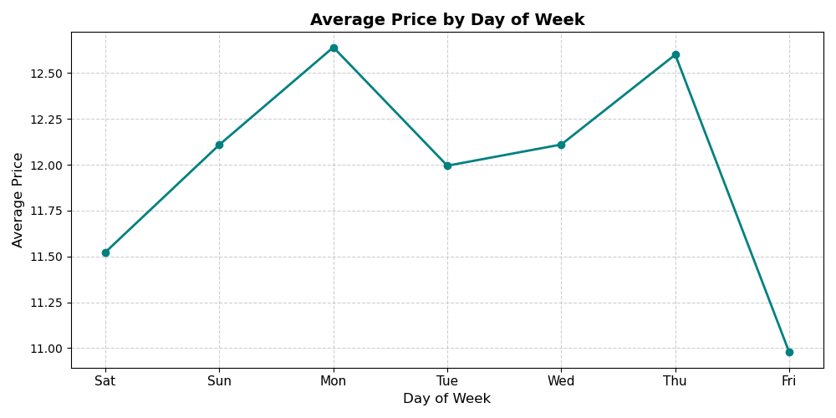

Explanation:
On average, average spending peaked on Monday and reached their lowest point on Friday.

Question
Which departments are most popular?

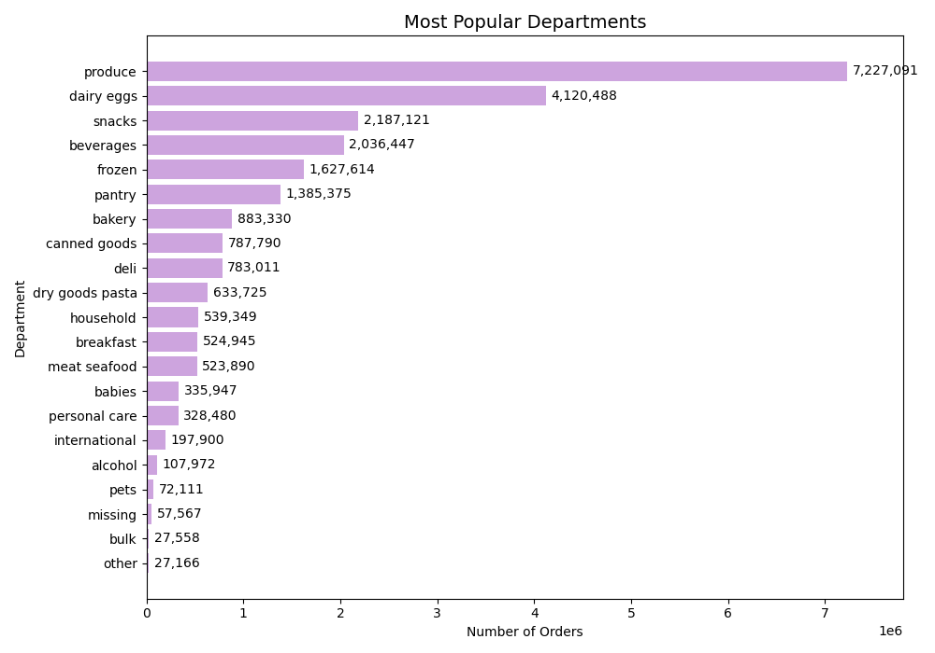

Explanation:
Produce, dairy eggs, snacks, beverages, frozen, and pantry were the most popular departments.

Question
What’s the distribution among users in regards to their brand loyalty?

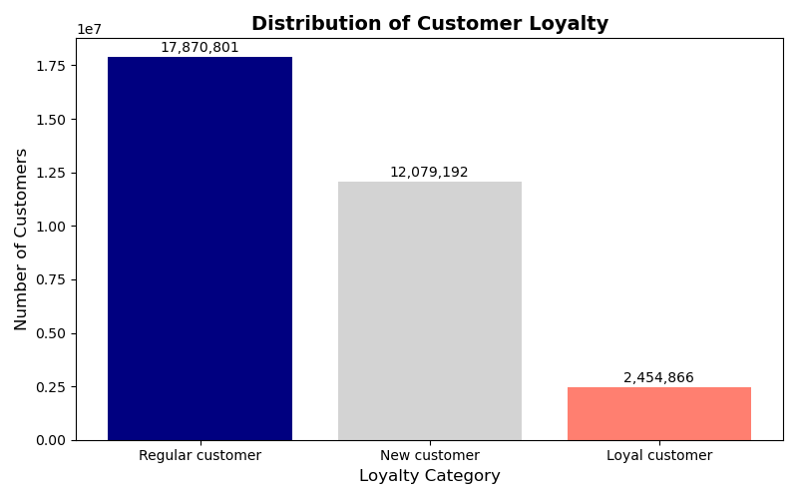

Explanation:
The majority of customers were regular customers whose placed around 10 to 40 orders.
There were also quite a large number of new customers who placed below 10 orders.

Question
Is there any relationship between age and income?

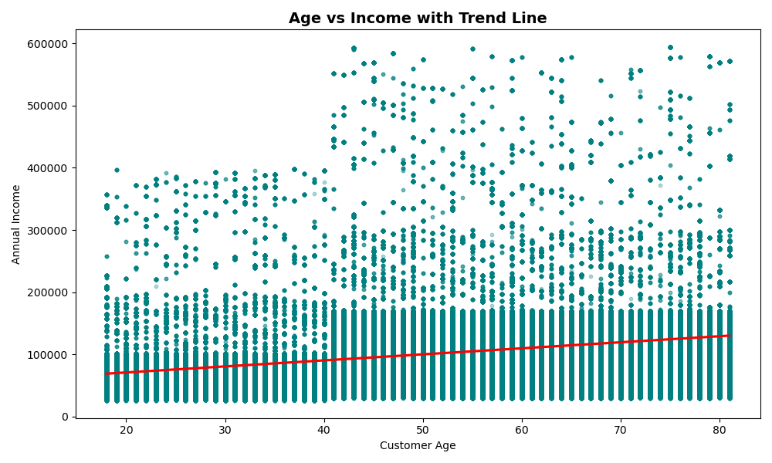

Explanation:
Income grew gradually with age.

Question
What are the customer profiles by region?

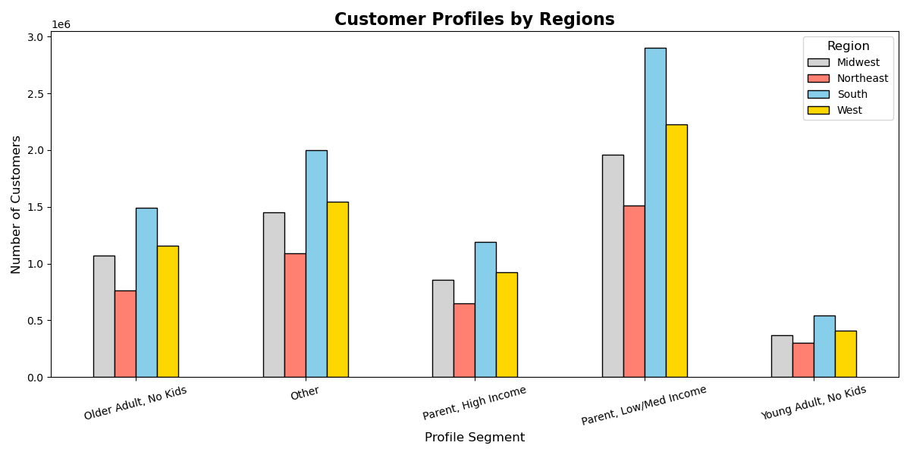

Explanation:
The majority of customers were located in the South, followed by the West, Midwest, and Northeast. The distribution of customer profiles was relatively consistent across regions. Low- and medium-income parents were the most frequent shoppers, followed by parents with one child, while young adults without children shopped the least often.

Question
Are there any difference in ordering habits by customer profile?

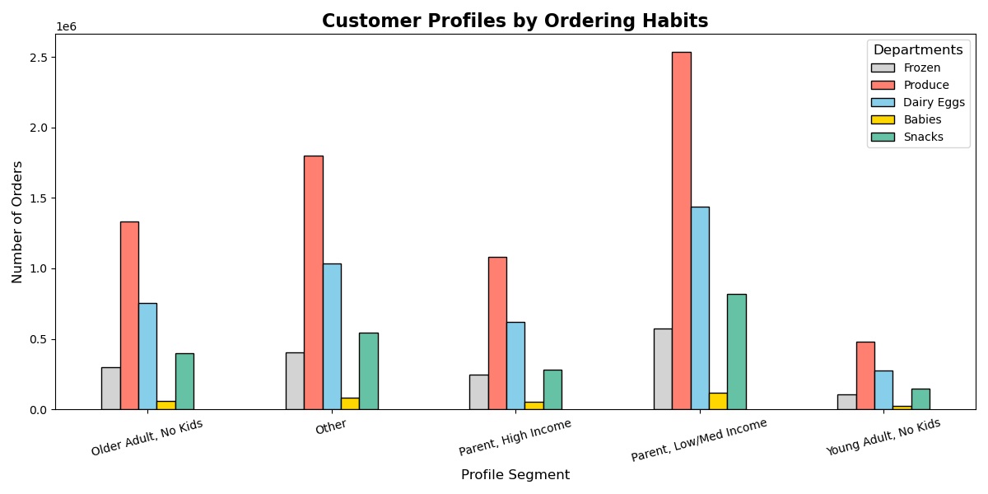

Explanation:
For categories such as frozen foods, produce, dairy and eggs, baby products, and snacks, low- and medium-income parents demonstrated the greatest purchasing power.

Question
Are there any difference in spending by customer profile?
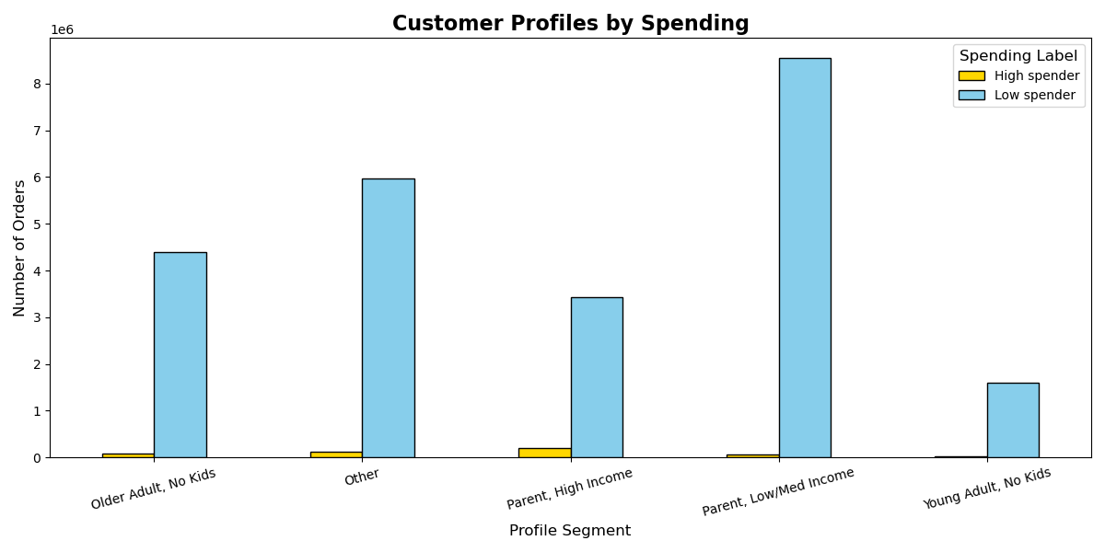

Explanation:
The majority of customers tended to low spenders. But parents with high income were more likely to be high spenders than other groups.

Question
Are there any difference in ordering habits by region and loyalty level?

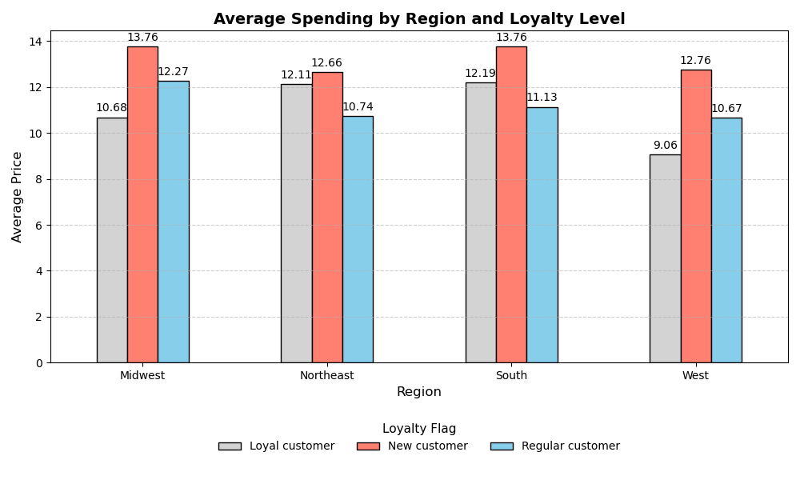

Explanation:
South and Midwest customers demonstrated higher willingness to spend compared to those in the Northeast and West. New customers were more willing to shop and spend than loyal or regular customers.

Question
Are there any difference in orders per day of the week by customer profile?


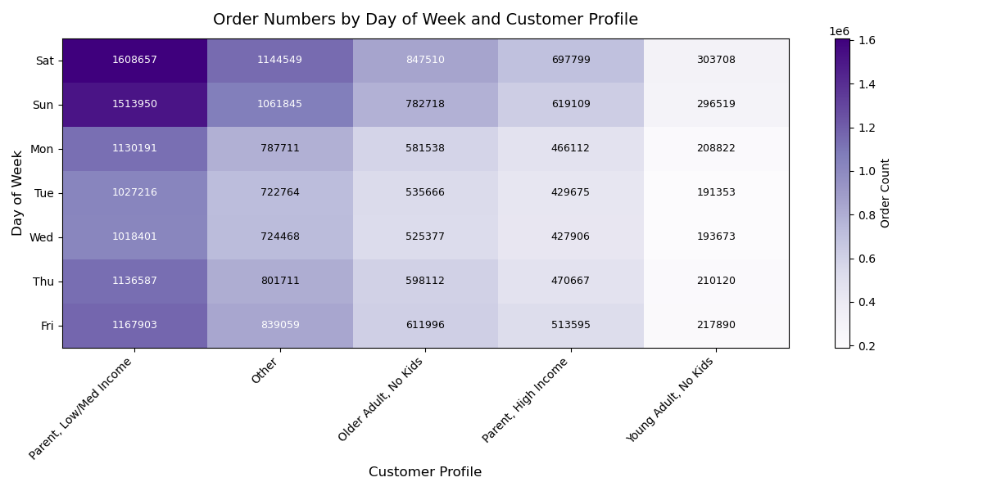

Explanation:
Most orders were placed on Saturdays and Sundays by low- and medium-income parents. In contrast, Tuesdays and Wednesdays saw the fewest orders across all customer profiles.

7. Recommendations
 |  |  | Title page

Recommendations

In this tab you should include any recommendations you would made to Instcart in terms of their marketing strategy based on the questions posed in the brief. Every key question has been covered in the Tasks of the Exercises - here you need to add an item - a visualisation or table/crosstable that is showing the answer in the data, acompanied by a comment from you. Please, list the questions below and add the answer underneath.

Question |  | Answer
Key Question 1 | The sales team needs to know what the busiest days of the week and hours of the day are (i.e., the days and times with the most orders) in order to schedule ads at times when there are fewer orders. | Order Volume by Day of Week Busiest Days: Orders peaked on Saturday and Sunday, reflecting higher weekend shopping activity. Least Busy Days: Tuesday and Wednesday recorded the lowest order volumes. Recommendation To balance demand and encourage more activity during slower periods, Instacart could schedule additional ads and targeted promotions on Tuesdays and Wednesdays. This may help drive traffic on less busy days and smooth out weekly order patterns.
Key Question 2 | They also want to know whether there are particular times of the day when people spend the most money, as this might inform the type of products they advertise at these times. | Consumer Spending Patterns Time of Day: Spending between 3 PM and 10 PM showed fluctuations, indicating inconsistent consumer activity during this period. Day of Week: Friday recorded the lowest overall spending levels compared to other days. Recommendation To stabilize demand and encourage higher sales: Increase ad placement between 3 PM and 10 PM to capture consumers during periods of lower engagement. Introduce targeted promotions and advertising on Fridays, aiming to boost order volumes on what is otherwise a slower day.
Key Question 3 | Are there certain types of products that are more popular than others? The marketing and sales teams want to know which departments have the highest frequency of product orders. | Popular Product Categories The most frequently purchased items on Instacart came from the following categories: Produce Dairy & Eggs Snacks Beverages Frozen Foods Pantry Staples Recommendation Given their high demand, Instacart should ensure consistent and sufficient inventory levels in these categories. Reliable availability of these staples is essential to maintain customer satisfaction, encourage repeat purchases, and reduce the risk of lost sales due to stockouts.
Key Question 4 | What’s the distribution among users in regards to their brand loyalty (i.e., how often do they return to Instacart)? | Customer Loyalty Distribution Regular customers (55%): The majority of Instacart’s customer base consists of regular customers, defined as those who placed between 10 and 40 orders. New customers (37%): A significant portion are new customers, with fewer than 10 orders. Loyal customers (remaining share): A smaller group have placed 40+ orders, showing long-term engagement. Recommendation Instacart could strengthen retention by introducing a long-term membership or loyalty program (e.g., tiered discounts, subscription-based perks, or exclusive rewards). This would incentivize regular customers to transition into loyal customers, while also encouraging new customers to increase their order frequency.
Key Question 5 | Are there differences in ordering habits based on a customer’s loyalty status? | Customer Spending Behavior New customers demonstrated a greater willingness to spend and purchase more items compared to regular and loyal customers. Given that new customers account for a considerable portion of the customer base, their behavior provides significant growth opportunities. Recommendation Instacart should design targeted ads and promotional packages tailored specifically to new customers. This can help: Encourage repeat purchases. Convert new shoppers into long-term loyal customers. Maximize revenue from a highly engaged segment.
Key Question 6 | Are there differences in ordering habits based on a customer’s region? | Regional Customer Distribution The majority of Instacart’s customers were concentrated in the South and West regions. The Midwest and Northeast showed relatively lower customer representation. Recommendation Instacart should invest in targeted ads and promotional campaigns aimed at customers in the Midwest and Northeast. Expanding market presence in these underrepresented regions would help balance customer distribution and drive overall growth.
Key Question 7 | What different classifications does the demographic information suggest? | Customer Demographics The majority of customers were low- and medium-income parents with two or more children. This group represents Instacart’s core customer segment and plays a crucial role in driving sales. Recommendation Instacart should tailor promotions and marketing strategies to meet the needs of this demographic. Examples include: Family-focused discounts (e.g., bulk deals, bundle offers on essentials like snacks, dairy, and beverages). Budget-friendly loyalty rewards to support cost-conscious parents. Targeted ads highlighting convenience and savings, which strongly appeal to busy families.
Key Question 8 | What differences can you find in ordering habits of different customer profiles? Consider the price of orders, the frequency of orders, the products customers are ordering, and anything else you can think of. | Customer Demographics and Spending Patterns The majority of customers were low- and medium-income parents with two or more children. For this segment, promotional strategies should consistently be tailored to their needs, emphasizing affordability, value bundles, and convenience. High-income parents displayed a preference for higher-priced, premium products. This group should be secured with niche, high-quality offerings and personalized services to strengthen retention and loyalty. Recommendation Instacart should adopt a dual-segment strategy: Value-driven promotions for budget-conscious families. Premium product positioning and exclusive benefits for high-income households.

